LPG Supply
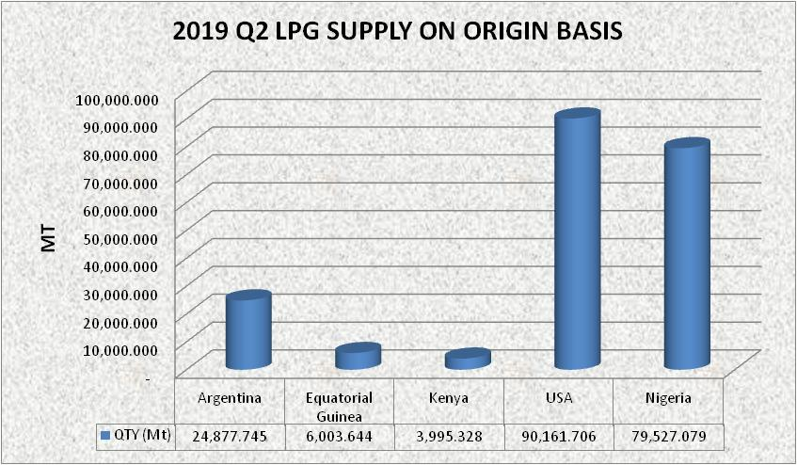
Q2 2019 LPG SUPPLY
S/N | Country of Origin | April 2019 Volume |  | May 2019 Volume |  | June 2019 Volume
 |  | MT | Litres | MT | Litres | MT | Litres
1 | Argentina | - | - | 24,877.745 | 42,953,027 | - | -
2 | Equatorial Guinea | - | - | - | - | 6,003.644 | 10,628,560
3 | Kenya | 3,995.328 | 6,764,994 | - | - | - | -
4 | USA | 18,998.965 | 33,124,720 | 23,755.669 | 41,747,287 | 47,407.072 | 82,309,250
5 | Nigeria | 31,410.669 | 54,111,188 | 24,045.163 | 41,129,753 | 24,071.247 | 41,930,629
TOTAL |  | 54,404.962 | 94,000,902 | 72,678.577 | 125,830,067 | 77,481.963 | 134,868,439

SUMMARY
S/N |  | IMPORT |  | LOCAL
 |  | MT | Litres | MT | Litres
1 | April | 22,994.293 | 39,889,714 | 31,410.669 | 54,111,188
2 | May | 48,633.414 | 84,700,314 | 24,045.163 | 41,129,753
3 | June | 53,410.716 | 92,937,810 | 24,071.247 | 41,930,629
TOTAL |  | 125,038.423 | 217,527,838 | 79,527.079 | 137,171,570

